Statistics & Graph
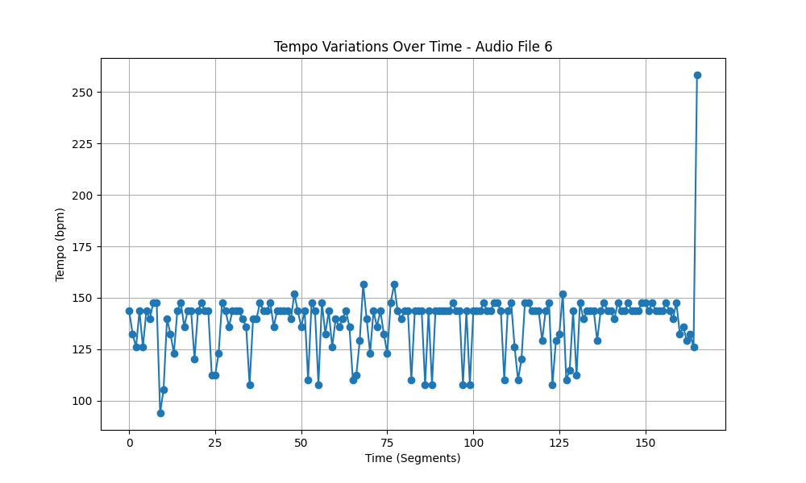
Metric | Value
Mean | 138.07716766
Standard Deviation | 15.613002402
Coefficient of Variation (CV) | 11.307446891

